Sheet1
 |  | Document No. | Issue No. | Issue Date |  |  | Review and Replace Date |  | Authorised By
 |  | GFF536MC | 2 | 10.09.2025 |  |  | 04.06.2026 |  | Magda Shah
 |  | Document Title | Gazebo - DELI-10 Hot & Spicy Bhaji 1000g
Document amendments reason for change |  | Film Updated |  | Page 1 of 1 |  | Previous Issue Date |  | 10.09.2025 | Uncontrolled copy unless signed original

COBL4-B10T | Gz - DELI |  | HOT & SPICY BHAJI 1000G | CHILLED
STEP 1 |  |  |  |  | STEP 2
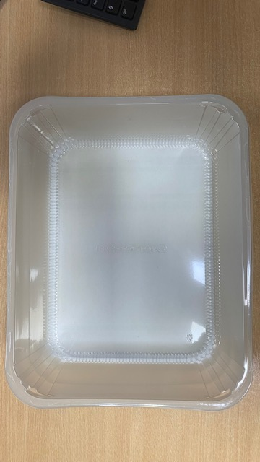 |  |  |  |  | 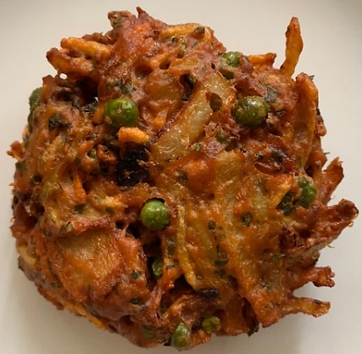

Tray: HW308/60 open ECO tray- (PKESS001-12) Film: 25mu Weld Seal Mono PET Film (300mm x 1000lm) (PKCLI001-01) |  |  |  |  | HOT & SPICY BHAJI (GFF334R)-(Hand Made Bhaji):100g
STEP 3
 |  |  |  |  | 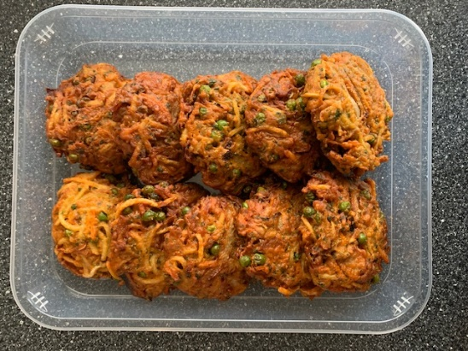

100g X 10 units |  |  |  |  | Booths -deli| Code:750516|10 Hot & Spicy Bhaji
 |  |  |  |  | TOTAL WEIGHT: 1000g
ALLERGY ALERT: NONE

